Dashboard- System wise Analysis
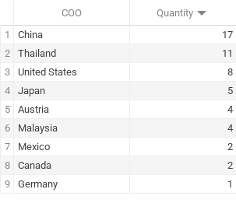
SYSTEM - WISE ANALYSIS

Total Landed Cost Breakdown by Country | ℹ️
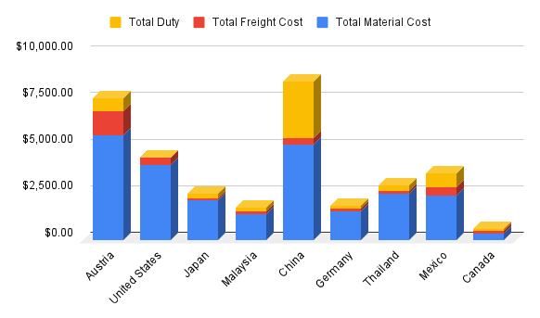

 |  | Number of Parts ordered per Country

Dashboard- Part wise Analysis
PART-WISE ANALYSIS
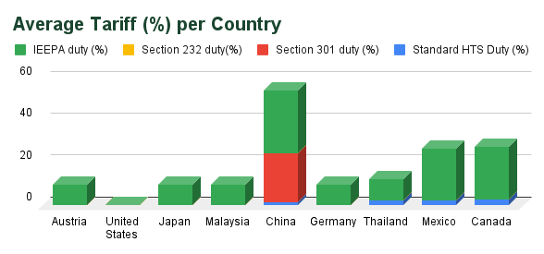
Maximum Duty Impact
Country | Part Description
China | CHASSIS, DOCK, P2

Maximum Freight-Material Cost Ratio
Country | Part Description
China | CHASSIS, DOCK, P2

Tariff Breakdown per Component |  | ℹ️

